BugReport
Bug ID | BUG_02
Summary: | [Auto Complete] [Front End] When typing first letter of multiple color name in placeholder, suggestios does not appear
Description: | When User start typing name of multiple color in placeholder, suggestions for colors containing typed letters does not appear

Steps to reproduce:
1 | Open Chrome browser
2 | Go to URL:https://demoqa.com/auto-complete
3 | Click inside Multiple Color Name Placeholder
4 | Edit first letter of multiple color name in Multiple Color Name Placeholder
Expected result: | Suggestions for multiple colors name appear below placeholder
Actual result: | Suggestions for multiple colors name does not appear below placeholder
Priority: | Medium
Severity: | Medium
Repro rate: | 100%
Environment: | Production
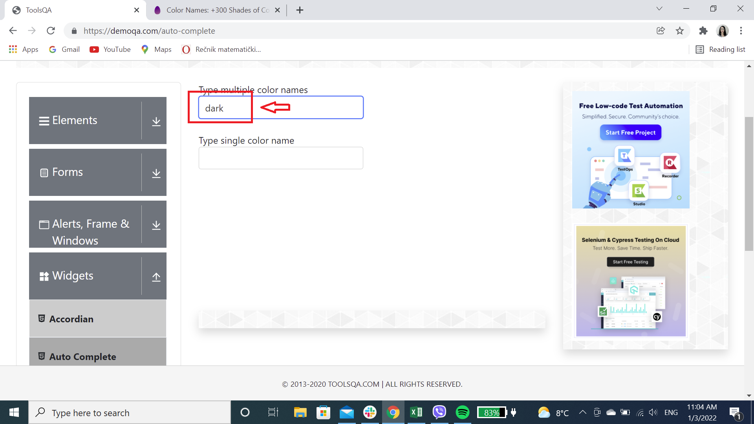
Screenshot:

